Sheet1
 |  | Document No. | Issue No. | Issue Date |  | Review and Replace Date |  | Authorised By
 |  | GFF099MC | 1 | 13.06.2019 |  | New Issue
 |  | Document Title | CHICKEN TIKKA WITH BROWN RICE 450g
 |  |  | Page 1 of 1 |  | Clause |  | 6.1 | Magda Shah
Document amendments reason for change |  | New product launch |  |  | Previous Issue Date |  | New Issue | Uncontrolled copy unless signed original

FCTIR2-R8TMC | MINDFUL CHEF |  | CHICKEN TIKKA WITH BROWN RICE 450g │ FROZEN
STEP 1 |  |  | STEP 2 |  |  |  | STEP 3
 |  |  | 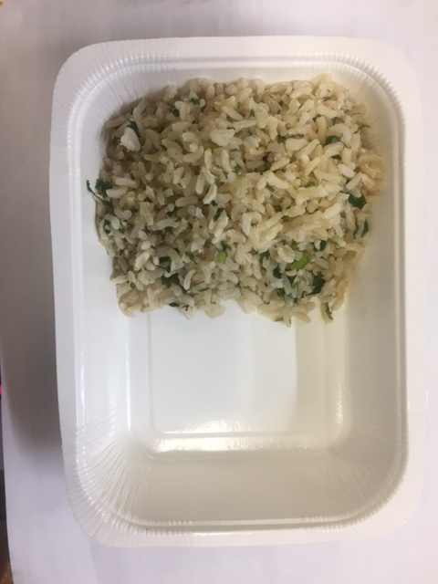 |  |  |  | 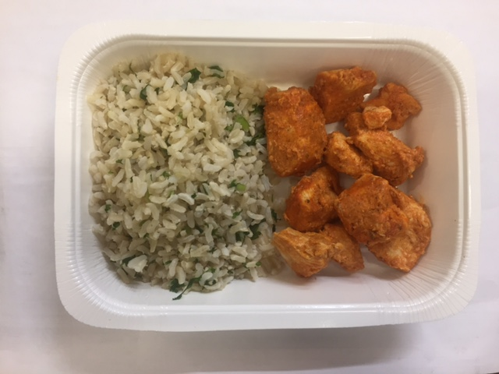

Tray: WHITE OVENABLE BOARD TRAY (PKSOU002-01) |  |  | BROWN RICE (MC) (GFF255R): 110g |  |  |  | MARINATED CHICKEN TIKKA (MC) (GFF257R): 90g
Film: 145 X 100 X 250 (PKWRA001-07)
STEP 3 |  |  | STEP 4 |  |  |  | STEP 5
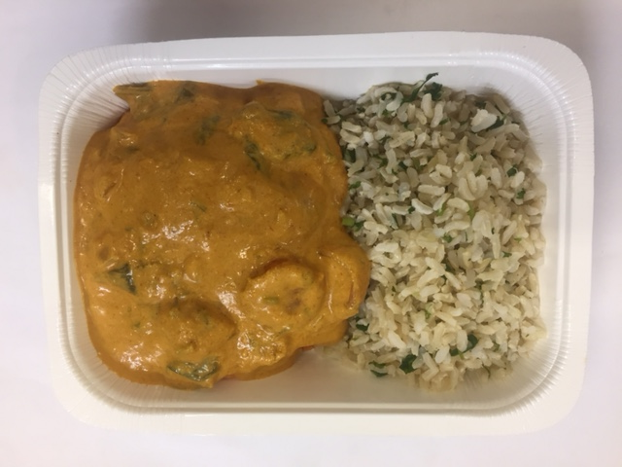 |  |  | 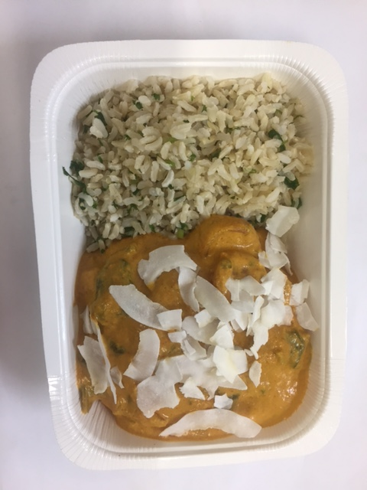 |  |  |  | 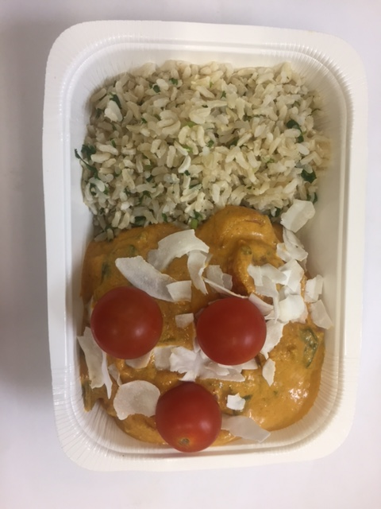

TIKKA MASALA SAUCE (MC) (GFF256R): 215g |  |  | RAW COCONUT CHIPS (RMKLU001-05): 5g |  |  |  | WHOLE CHERRY TOMATO RTE (RMIHF001-57): 30g
 |  |  |  |  |  |  | Min. 3 cherry tomato
 |  |  |  |  |  |  | Declared Weight must be 450g Minimum
ALLERGY ALERT: None

